1. Title Page
[Instacart Grocery Basket Analysis]

Project Name: Instacart Grocery Basket Analysis
Date: Oct. 13th, 2023
Analyst Name: Pei-Mei Lee

Contents:
Population Flow
Consistency checks
Wrangling steps
Column derivations
Visualizations
Recommendations

Data Citation:
“The Instacart Online Grocery Shopping Dataset 2017”, Accessed from www.instacart.com/datasets/grocery-shopping-2017 via Kaggle on Sep. 22nd, 2023.
The customer data as well as the “prices” column in the products data set were both fabricated for the learning purpose of my course.

Personally Identifiable Information (PII):
First names and surnames are PII data and have been therefore removed from the data set for final analysis.

2. Population Flow
Title page

Population flow

Exclusion flag
Condition: max_order <
Obervations to be removed:
Final total count of order_products_all:

After removal of custoemrs whose max order < 5
(orders_products_custs_noPII_without_low_activity.pkl)
Orders_products_combined
Orders_products_merged
Orders_products_all
(ords_prods_customers.pkl)

Total: 32,404,859
Total: 32,434,489
Total: 32,399,732
Total: 30,959,687

1.) The grey boxes in the first row of the population flow represent the original data sets as they were when you downloaded them. In the Total fields you need to add the count of the rows when you imported the data set into Jupyter.
2.) The second row of boxes (coloured) represents the data sets after you manipulated them, e.g., removed missing values and duplicates. In the Total fields you need to add the count of the rows after conducting these operations. This offers a visual oveview of how the data flows throughout the data consistency checks.
3.) The third row, where also the arrows are coloured, represents the merges you performed between the datasets. In the Total fields you need to add the count of the rows in the merged datasets, so that you end up with the final dataset (in the red box). Keep in mind the final dataset should be without exclusions (based on the exclusion flag).

3. Consistency checks
 |  |  |  |  | Title page
Consistency checks

Dataset | Missing values | Missing values treatment | Duplicates | Abnormal values
orders | "no_of_days_since_last_order" 206209 rows | Looking at the subset of all the rows with missing value in the column "no_of_days_since_last_order", I conclude that the user_ids are consecutive unique numbers with the last number being 206209, which is same as the total count of missing values. Moreover, the order number of each and every row is "1." We can infer that these rows reepresent all the first orders of each customer/user. Based on that, there is no need to make any change to the null values. | None | None
products | "product_name " 16 rows | Removed from data set | 5 rows of full duplicate are removed. | 4429 rows of data have the abnormal price of "14900". 798 rows of data have the abnormal price of "99999". As the total count of rows with abnormal prices is neglectable and imputing values for these rows would take a lot of effors. In a real-life situation, I would consult a senior colleague or even the customer first before making any change to the data set. But for this task, I decided to simply remove them.
orders_products_prior | None | None | None | None
customers | "first_name" 11259 rows | Impute missing values with "Not Provided" | None | None

4. Wrangling steps
 |  |  |  |  | Title page
Wrangling steps

Dataset | Columns dropped | Columns renamed | Columns' type changed | Comment/Reason
orders | eval_set | order_dow' : 'order_day_of_week' 'days_since_prior_order' : 'no_of_days_since_last_order' | "order_id" column chaged to string "user_id" column chaged to string
products | None | None | None
orders_products_prior | None | None | None
customers | first_name and surname columns are dropped due to PII data concerns. | First Name':'first_name', 'Surnam':'surname', 'Gender':'gender', 'STATE':'state', 'Age':'age','n_dependants':'count_dependants' | "first_name" column chaged to string

5. Column derivations
 |  |  |  |  | Title page

Column derivations and aggregations

In this tab you should add tables below that the frequences of flags/label variables that you produced after deriving them. NB: don't do this for continuous variables, only for flags.
Dataset | New column | Column/s it was derived from | Conditions | Saved in which file?
orders_products_merged.pkl (only applied to a subset of one million rows) | price_range | prices | If the item’s price is lower than or equal to $5, it will be labeled a “low-range product.” If the item’s price is above $5 but lower than or equal to $15, it will be labeled a “mid-range product.” If the item’s price is above $15, it will be labeled a “high-range product.”
orders_products_merged.pkl | price_range_loc | prices | If the item’s price is lower than or equal to $5, it will be labeled a “low-range product.” If the item’s price is above $5 but lower than or equal to $15, it will be labeled a “mid-range product.” If the item’s price is above $15, it will be labeled a “high-range product.”
orders_products_merged.pkl | busiest_day | order_day_of_week | Saturday is the busiest day. Meanwhile, Wednesday is the slowest day for Instacart app orders. If "order_day_of_week" is 0, it is a “Busiest day” . If it is 4, it is a “Least busy”. If neither of these conditions has been met, then it is a “Regularly busy” .
orders_products_merged.pkl | busiest_days | order_day_of_week | Saturday. and Sunda are the two busiest days. Meanwhile, Wednesday and Thursday are the slowest days for Instacart app orders. If "order_day_of_week" is 0 or 1, it is a “Busiest days” . If it is 4 or 5, it is a “Slowest days”. If neither of these conditions has been met, then it is a “Regularly busy” .
orders_products_merged.pkl | busiest_period_of_day | order_hour_of_day | If "order_hour_of_day" is one of the following numbers (10,11,14,15,13,12,16,9), then it will be labeled "Most orders." If it is one of the following numbers (17,8,18,19,20,7,21,22), then it will be labeled "Average orders." If neither of these conditions has been met, then it is labeled “Fewest orders” . | orders_prods_merged_updated.pkl
orders_prods_merged_updated.pkl | max_order | order_number | Maximum value of "order_number"
orders_prods_merged_updated.pkl | loyalty_flag | max_order | If the maximum orders the user has made is over 40, then the customer will be labeled a “Loyal customer.” If the maximum orders the user has made is over 10 but less than or equal to 40, then the customer will be labeled a “Regular customer.” If the maximum orders the user has made is less than or equal to 10, then the customer will be labeled a “New customer.”
orders_prods_merged_updated.pkl | price_mean | prices | Mean value of "prices"
orders_prods_merged_updated.pkl | spending_flag | price_mean | If the mean of the prices of products purchased by a user is lower than 10, then flag them as a “Low spender.” If the mean of the prices of products purchased by a user is higher than or equal to 10, then flag them as a “High spender.”
orders_prods_merged_updated.pkl | median_days_since_last_order | no_of_days_since_last_order | Median value of "no_of_days_since_last_order"
orders_prods_merged_updated.pkl | order_frequency_flag | median_days_since_last_order | If the median of “days_since_prior_order” is higher than 20, then the customer should be labeled a “Non-frequent customer.” If the median is higher than 10 and lower than or equal to 20, then the customer should be labeled a “Regular customer.” If the median is lower than or equal to 10, then the customer should be labeled a “Frequent customer.” | orders_products_merged_updated_2.pkl
ords_prods_customers.pkl | region | state | Region_1 =['Maine', 'New Hampshire', 'Vermont', 'Massachusetts', 'Rhode Island', 'Connecticut', 'New York', 'Pennsylvania', 'New Jersey'] Region_2 =['Wisconsin', 'Michigan', 'Illinois', 'Indiana', 'Ohio', 'North Dakota', 'South Dakota', 'Nebraska', 'Kansas', 'Minnesota', 'Iowa', 'Missouri'] Region_3 =['Delaware', 'Maryland', 'District of Columbia', 'Virginia', 'West Virginia', 'North Carolina', 'South Carolina', 'Georgia', 'Florida', 'Kentucky', 'Tennessee', 'Mississippi', 'Alabama', 'Oklahoma', 'Texas', 'Arkansas', 'Louisiana'] Region_4 =['Idaho', 'Montana', 'Wyoming', 'Nevada', 'Utah', 'Colorado', 'Arizona', 'New Mexico', 'Alaska', 'Washington', 'Oregon', 'California', 'Hawaii'] | orders_products_final.pkl
ords_prods_customers.pkl | age_flag | age | Young: 18 - 39, Middle-Aged: 40 - 59, Old: 60 and more | orders_products_final.pkl

6. Visualizations
 |  |  |  | Title page

Visualisations

In this tab you should include all the visualtions from Exercises 4.9 and 4.10, alongside the questions from the project brief that they answer. Include any commentary on the relationship between different variables.

4.9
 | 1.)
 | 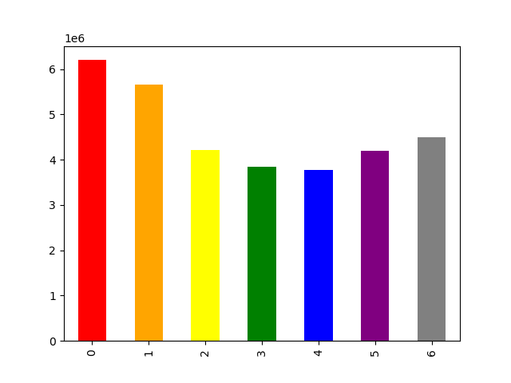 | 1. This bar chart displays the number of orders for each day of the week, helping us visualize the sales trend throughout the week. 2. Wednesday is the least busy day. However, sales pick up from that day and peaks on Saturday, surpassing 6 million orders. | 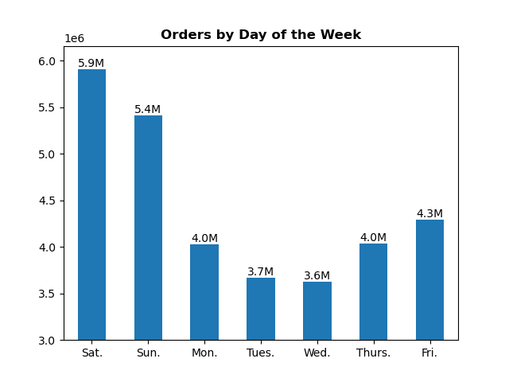


 | 2.)
 |  | This histogram indicates that the unit prices of most of the sold products are not above 15 dollars.

 | 3.)
 | 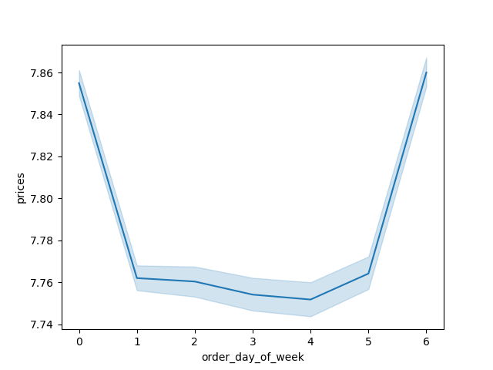 | "The blue line represents how prices differ depending on the day of the week. The peaks on days zero and six mean that most money is spent on Friday and Saturday. This might be due to people stocking up on things before the weekend." (excerpted from course contents)

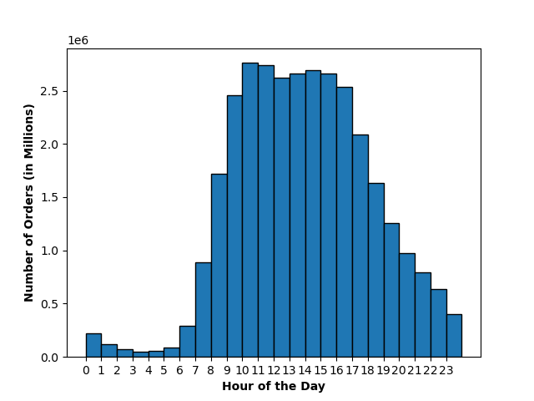
 | 4.)

 |  | 1. This graph demonstrates the distribution of orders throughout the day. 2. In the hour of 10 a.m. is the peak ordering time whereas 3 a.m. in the morning has the least orders.

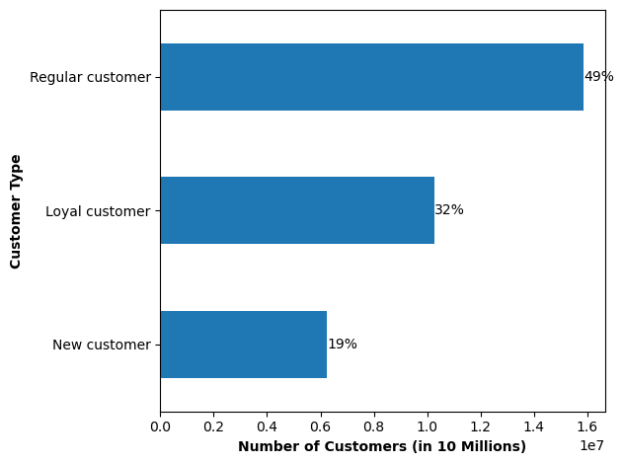
 | 5.)
 |  | Around half of our customers fall into the category of "regular customers" according to our "loyalty_flag" criteria. Around 30% are considered "loyal customers" and 20% "new customers."

 | 6.)
 | 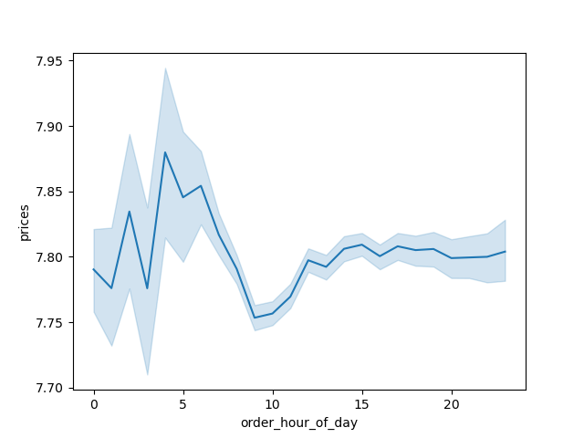 | The line chart illustrates that the average unit price of purchased products remains relatively stable, fluctuating slightly around $7.8 from the afternoon to midnight. In the early morning hours, there is increased variability, leading to a temporary dip to $7.75 around 9 am, which subsequently recovers to $7.8.

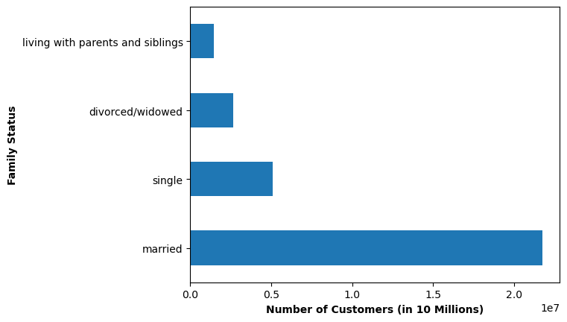
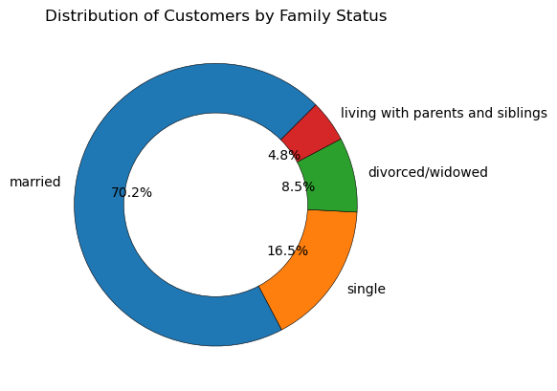
 | 7.) | The majority of our customers are married.


 | 8.)
 |  | There is no relation between age and number of dependants.

 | 9.)
 | 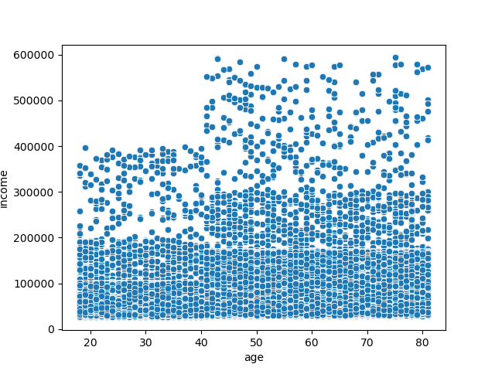 | 1. Across all age groups, the majority of customers have an annual income below 200,000. 2. However, there is a concentrated cluster of customers aged over 40 with incomes ranging between 200,000 and 300,000. 3. Customers below 40 years of age have a maximum income around 400,000, whereas those older than 40 have a maximum income that reaches as high as 600,000.

7. Recommendations
 |  |  |  |  |  |  |  | Title page

Recommendations

In this tab you should include any recommendations you would made to Instcart in terms of their marketing strategy based on the questions posed in the brief. Every key question has been covered in the Tasks of the Exercises - here you need to add an item - a visualisation or table/crosstable that is showing the answer in the data, acompanied by a comment from you. Please, list the questions below and add the answer underneath.

Question | Vizzes |  |  |  | Answer
● The sales team needs to know what the busiest days of the week and hours of the day are (i.e., the days and times with the most orders) in order to schedule ads at times when there are fewer orders. |  |  |  |  |  | 1. The busiest two days of the week are Saturday and Sunday. 2. The busiest hours of the day from 10 - 12 am. 3. Wednesday is the least busy day of the week and between midnight and 7am are the least busy hours.

● They also want to know whether there are particular times of the day when people spend the most money, as this might inform the type of products they advertise at these times. |  | 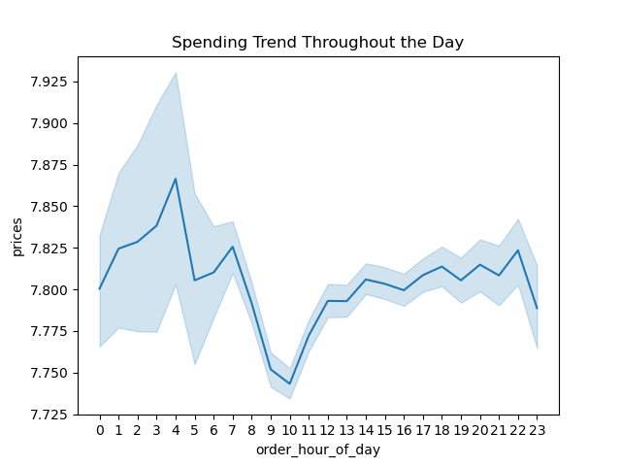 |  |  |  | Customers tend to spend the most money in the late night hours, especially between 3 and 4am. This would be the ideal time to advertise pricier products.

● Instacart has a lot of products with different price tags. Marketing and sales want to use simpler price range groupings to help direct their efforts. | 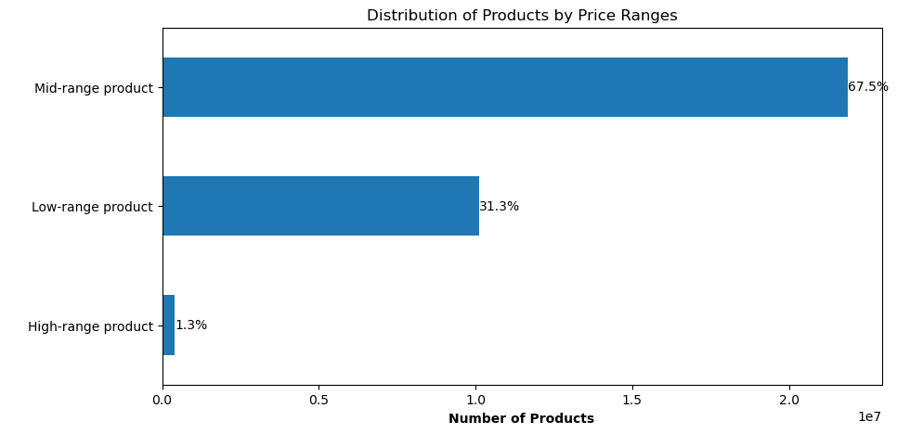 |  |  |  |  | Products have been categoried into three groups according to the following criteria: - If the unit price is lower or equal to 5 dollars, then it is labeled as "Low-range product." - If the unit price is higher than 5 dollars and less or equal to 15 dollars, then it is labeled as "Mid-range product." - If the unit price is higher than 15 dollars, then it is labeled as "High-range product."
 |  |  |  |  |  | Most of the products fall in the "Mid-range" product category (67.5%). Around 30% of the products are "Low-range" products. Only 1% of the products are "High-range" products.
● Are there certain types of products that are more popular than others? The marketing and sales teams want to know which departments have the highest frequency of product orders. |  |  |  |  |  | Produce, by far, is the most popular department that has the highest frequency of product orders, followed by dairy eggs.
 |  | 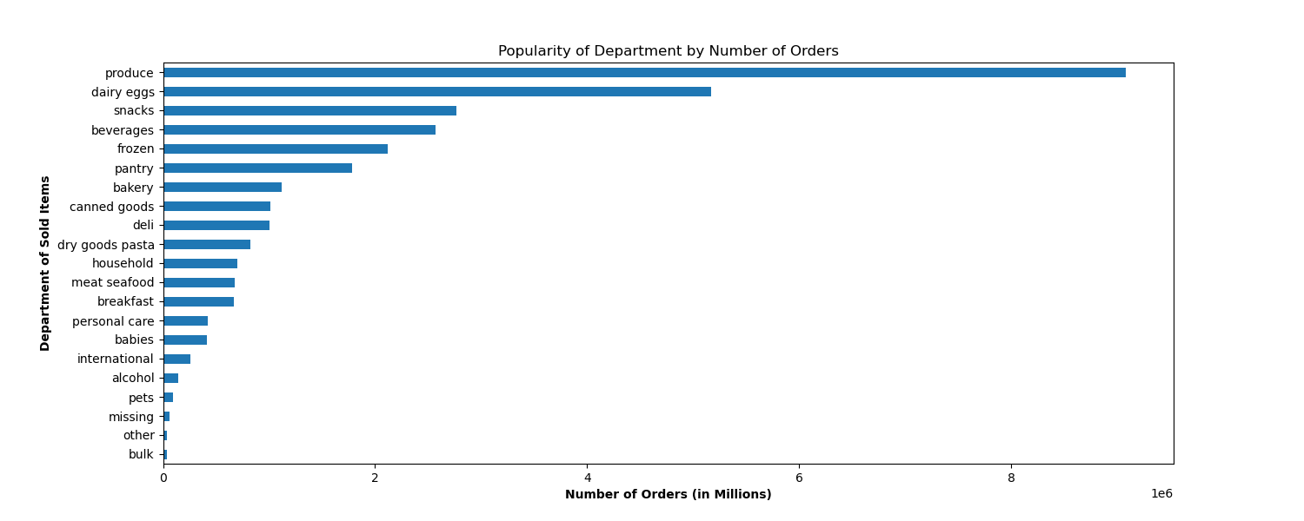
● The marketing and sales teams are particularly interested in the different types of customers in their system and how their ordering behaviors differ. For example:

○ What’s the distribution among users in regards to their brand loyalty (i.e., how often do they return to Instacart)? |  |  |  |  |  | The largest cluster of orders are placed 7 days after their previous orders. Second largest cluster are after 30 days. This indicates that most customers tend to return weekly or monthly.
 |  | 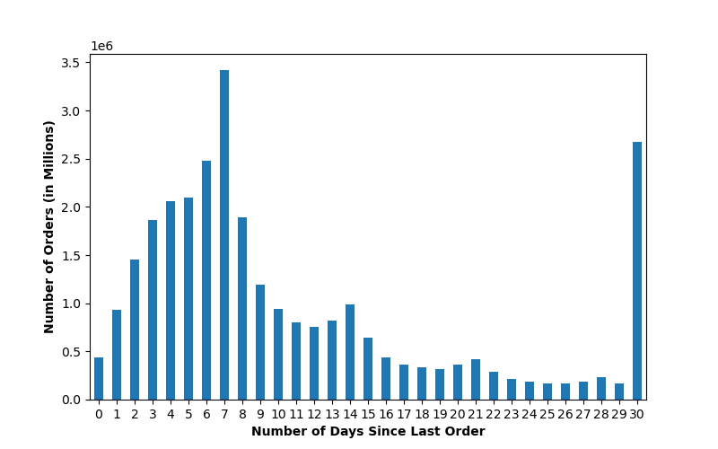
○ Are there differences in ordering habits based on a customer’s loyalty status? |  | 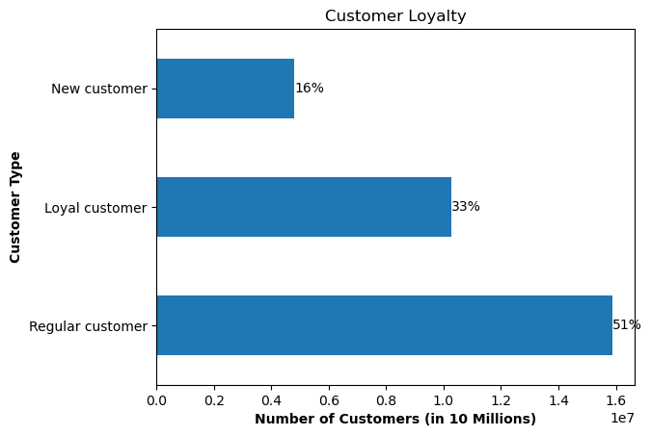 |  |  |  | Half of our customers are identified as "regular customers" whose total count of orders is more than 10 and equal or less than 40. 33% of customers are "loyal customers" whose total count of orders is higher than 40. 16% of customers are "new customers" whose total count of orders is less morre equal to 10. No differences are found in terms of day of purchase / time of purchase / price-range of product.
 |  | 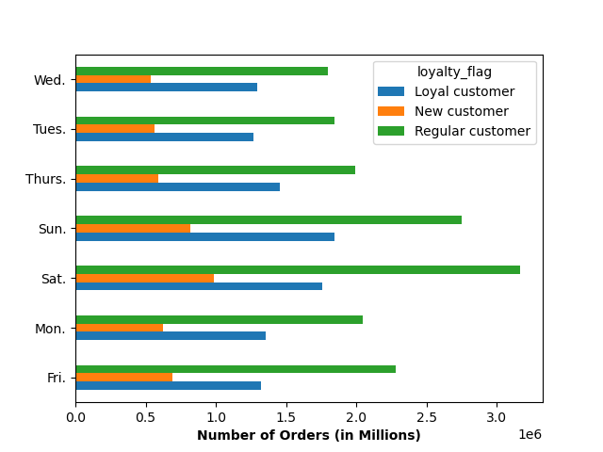 |  |  | 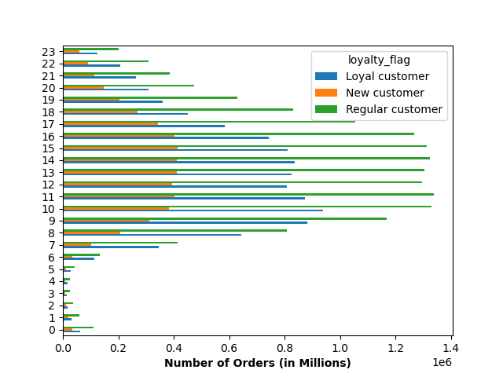 | 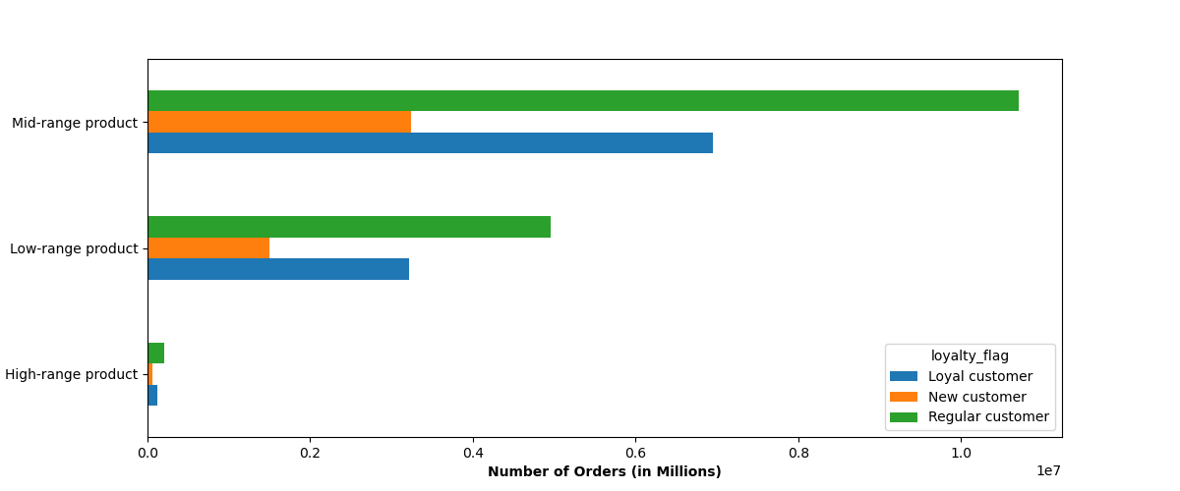
○ Are there differences in ordering habits based on a customer’s region? |  | 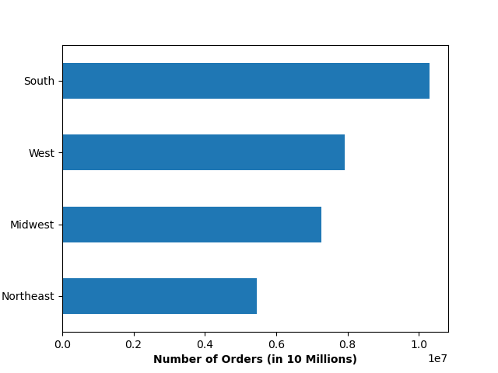 |  |  |  | 1. The South region makes up the most orders (ca. 10 millions orders), followed by the West region with 8 million orders. 2. No differences are found in terms of day of purchase / time of purchase / price-range of product / top 5 best-selling departments. 3. However, the age group composition of our customers varies across the regions. Namely, there are more young customers than old customers in South and Midwest. in West and Northeast, it is the opposite.
 |  | 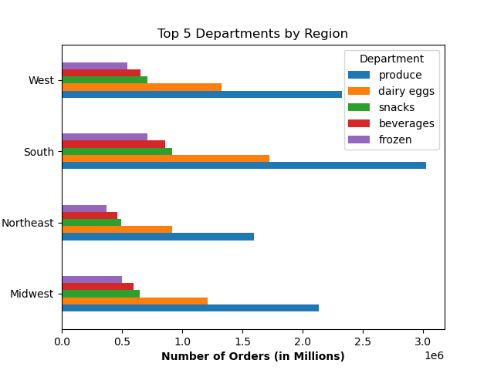 |  |  | 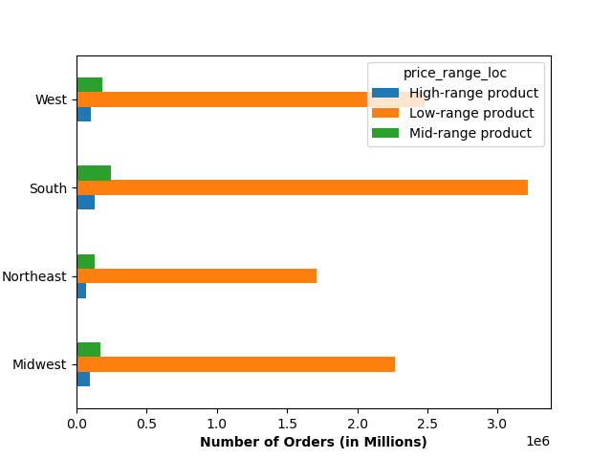 | 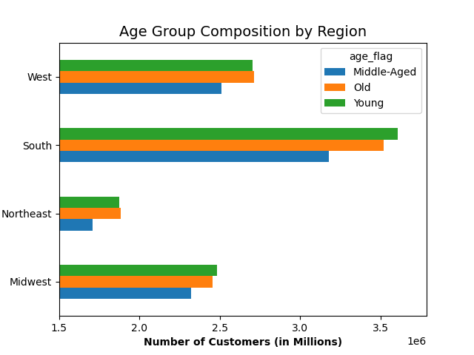
○ Is there a connection between age and family status in terms of ordering habits? |  |  |  |  |  | By far, married people are the prevailing customer group from the age of 22 and onwards. Single people, both young and middle-aged, form the second largest group, followed by young adults living with parents and siblings and divorced/widowed people of an old age.
 |  | 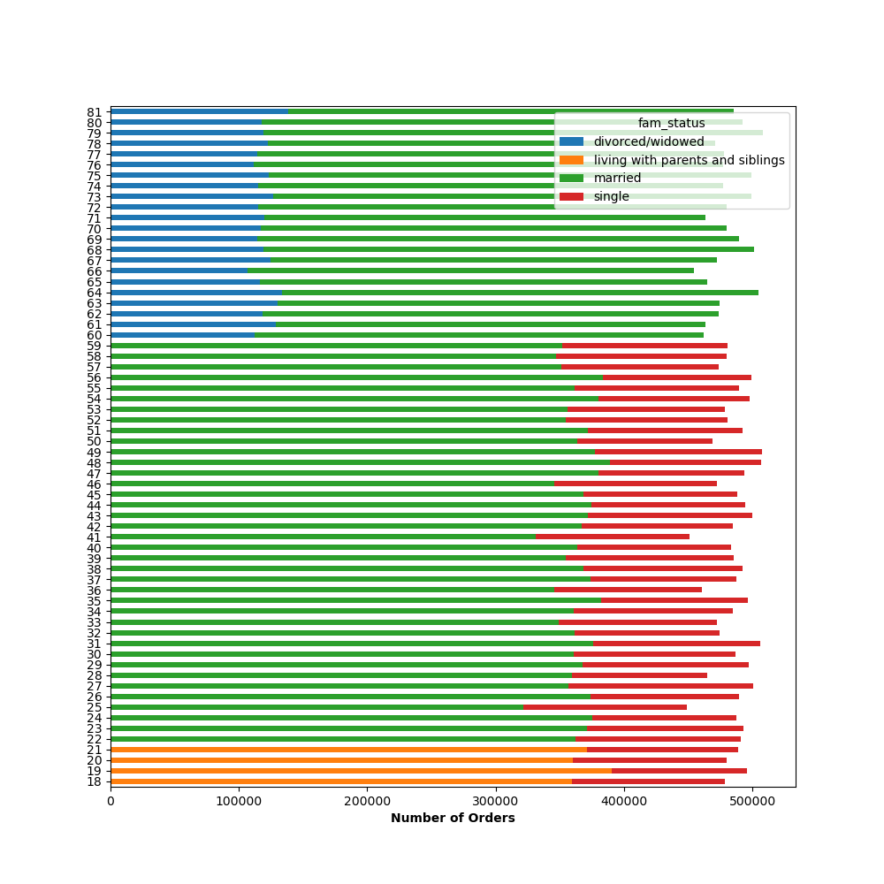
○ What different classifications does the demographic information suggest? Age? Income? Certain types of goods? Family status? |  | 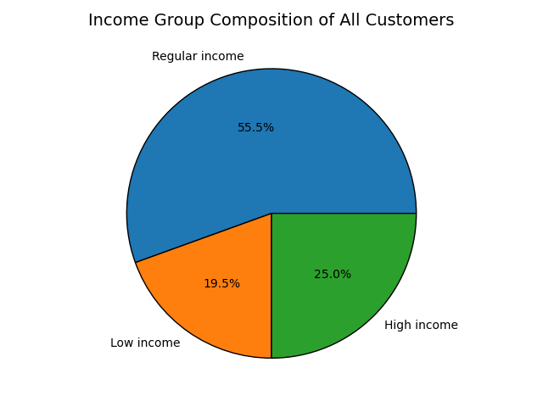 |  | 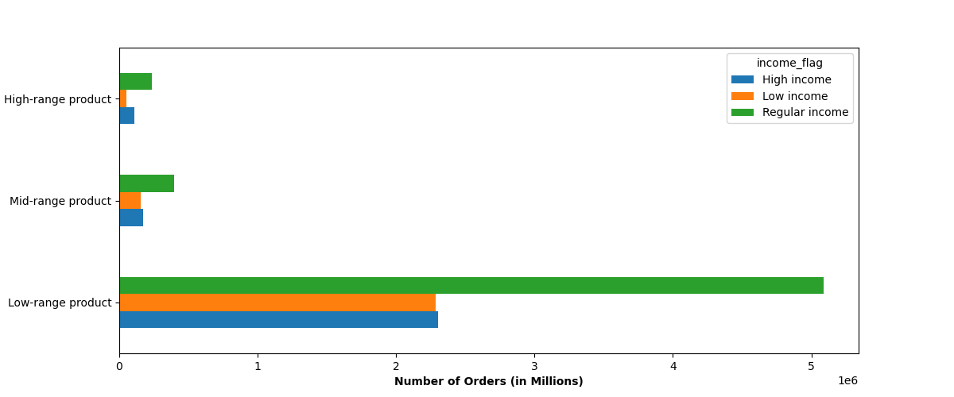 |  |  | 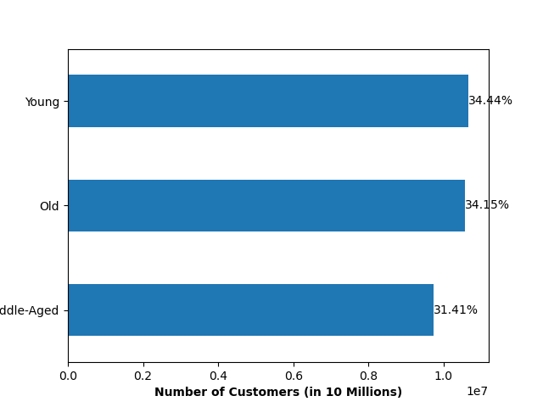 |  | 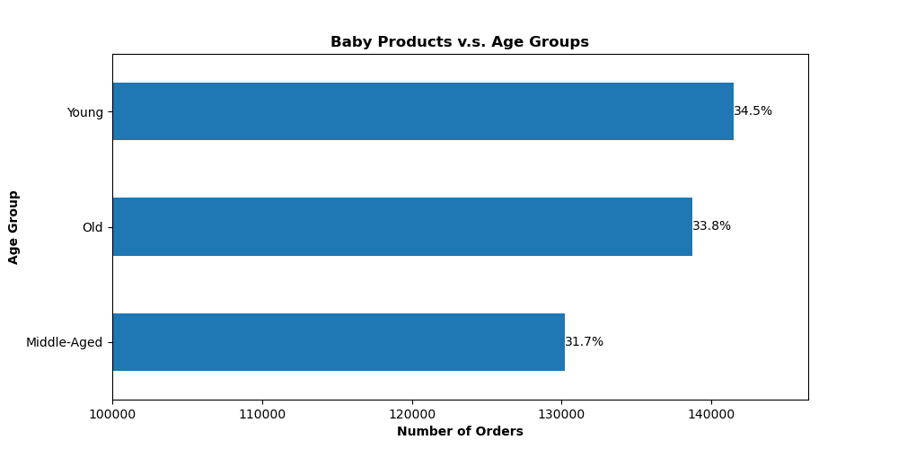
 |  |  |  |  |  | Assumption: Customers with a "High income" are more likely to spend money on "High-range products." Analysis result: Most of the high-range products are purchased by customers with regular income. Most of the products opurchased by high-income customers are low-range products. Recommendation: Investigate the reasons why high-income customers are not buying our high-range products. |  |  |  | Assumption: Customers that order "baby" products are likely to be young in age. (Young: 18 - 39 yr, Middle-Aged: 40 - 59 yr, Old: 60 yr and more) Analysis result: Within the customer base that has purchased baby products, sales are distributed fairly evenly across three age groups, each accounting for roughly a third of total sales. Notably, young customers emerge as the leading purchasers of baby products, closely followed by the older demographic. Recommendations: The result may suggest that we should also address the "grandparents" in our advertisement for baby products.
○ What differences can you find in ordering habits of different customer profiles? Consider the price of orders, the frequency of orders, the products customers are ordering, and anything else you can think of. |  |  |  |  |  |  |  |  | 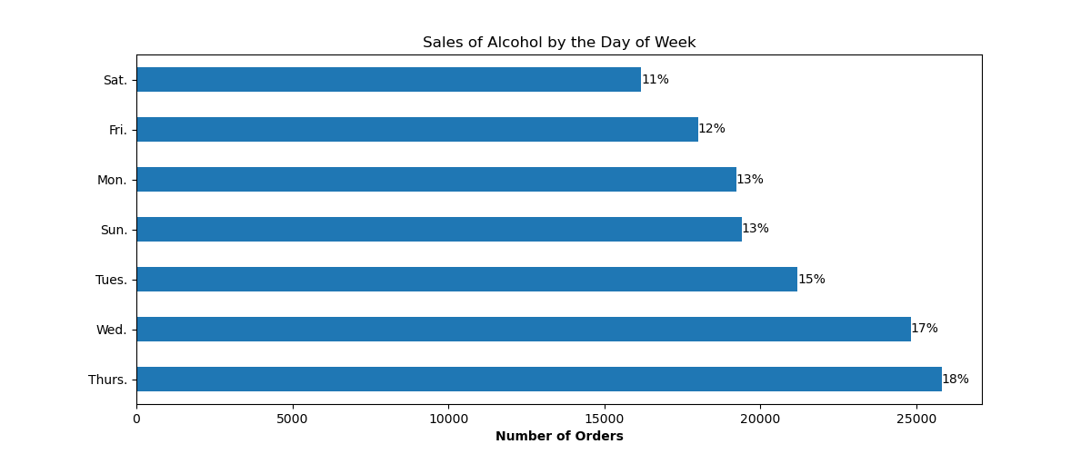
 |  |  |  |  |  | Finding: Both regular-income customers and high -ncome customers placed most orders on Saturday, Sunday and Friday. While low-income customers shopped on Sunday, Saturday and Monday. This can suggest that low-income customers do not work on Mondays but Fridays. Recommendation: Target advertisement for low-income customers on Sundays. |  |  |  | Finding: Most sales of alcohol products happened on Wednesday and Thursday. Recommendation: Make sure the inventory of alcohol products can meet the demand. And schedule advertisement of alcohol products for these two week days.

